Arkusz3
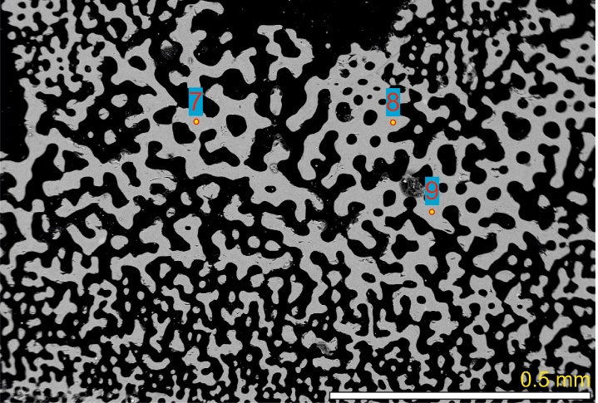
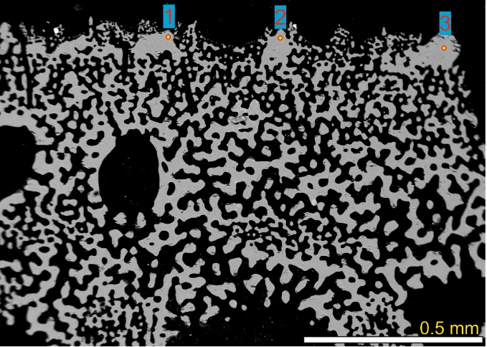
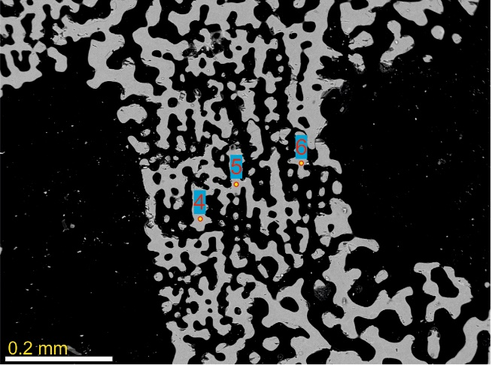
Appendix 7. Gorzelak et al. 2024. Geochemical signatures and nanomechanical properties of echinoid tests from nearshore habitats of Florida: Environmental and physiological controls on echinoid biomineralization. PeerJ. Last updated October 24, 2024.
Leodia sexiesperforata | sampled area (number of point indicated on photos) | fk-17.9 | Mg/Ca | H | E
stereom type 1 (outer imperforate) | 1 | tubercle 1 | 0.224 | 4.53 | 84.62
stereom type 1 (outer imperforate) | 2 | tubercle 2 | 0.233 | 4.63 | 89.33
stereom type 1 (outer imperforate) | 3 | tubercle 3 | 0.192 | 4.49 | 84.15

stereom type 2 (inner thin galleried) | 4 | galleried 1 | 0.2 | 3.97 | 61.1
stereom type 2 (inner thin galleried) | 5 | galleried 2 | 0.203 | 4.22 | 66.2
stereom type 2 (inner thin galleried) | 6 | galleried 3 | 0.205 | 4.43 | 65.33

stereom type 3 (inner coarse labirynthic) | 7 | labirynthic 1 | 0.176 | 3.72 | 72.96
stereom type 3 (inner coarse labirynthic) | 8 | labirynthic 2 | 0.176 | 3.82 | 68.44
stereom type 3 (inner coarse labirynthic) | 9 | labirynthic 3 | 0.188 | 3.84 | 65.69

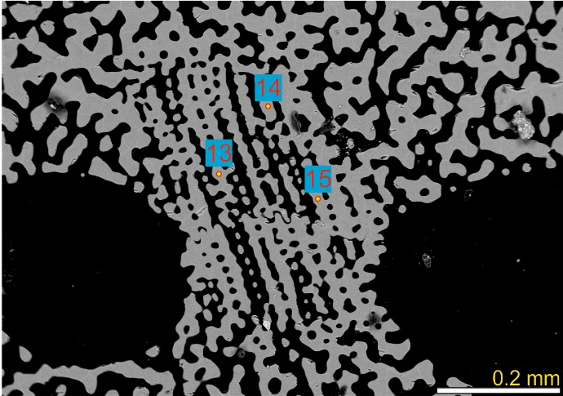
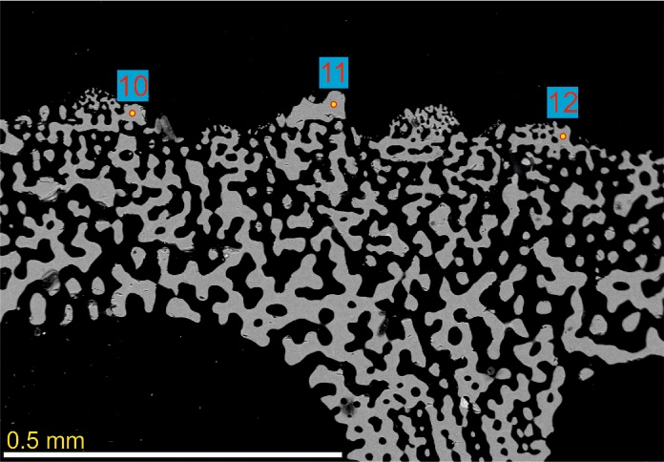
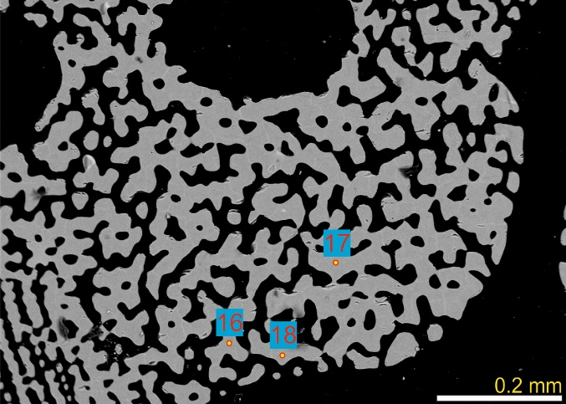
Leodia sexiesperforata |  | fk-3.1
stereom type 1 (outer imperforate) | 10 | tubercle 1 | 0.203 | 4.56 | 70.11
stereom type 1 (outer imperforate) | 11 | tubercle 2 | 0.193 | 4.28 | 75.08
stereom type 1 (outer imperforate) | 12 | tubercle 3 | 0.196 | 4.22 | 73.45

stereom type 2 (inner thin galleried) | 13 | galleried 1 | 0.175 | 3.84 | 74.59
stereom type 2 (inner thin galleried) | 14 | galleried 2 | 0.186 | 4.07 | 77.4
stereom type 2 (inner thin galleried) | 15 | galleried 3 | 0.19 | 4.32 | 81.21

stereom type 3 (inner coarse labirynthic) | 16 | labirynthic 1 | 0.19 | 3.93 | 79.68
stereom type 3 (inner coarse labirynthic) | 17 | labirynthic 2 | 0.191 | 4.3 | 83.56
stereom type 3 (inner coarse labirynthic) | 18 | labirynthic 3 | 0.191 | 4.3 | 80.81

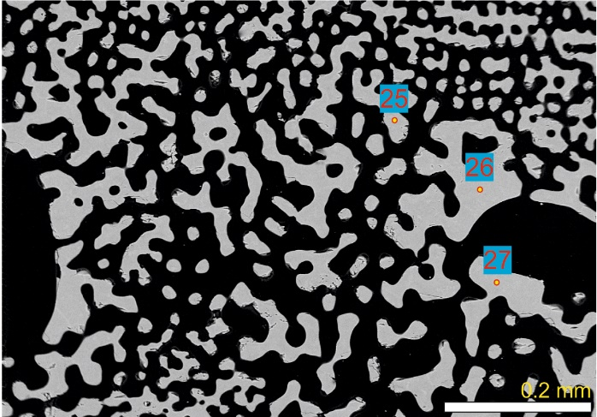
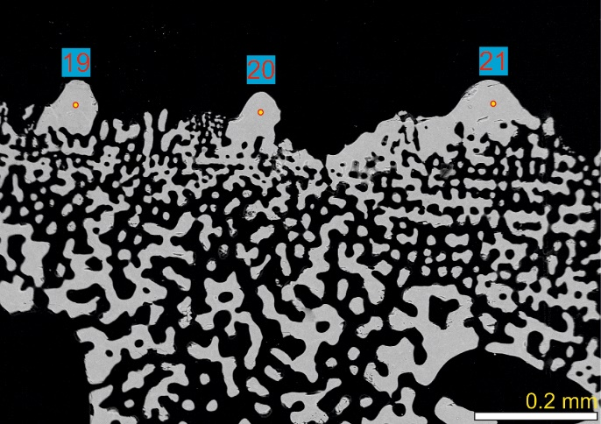
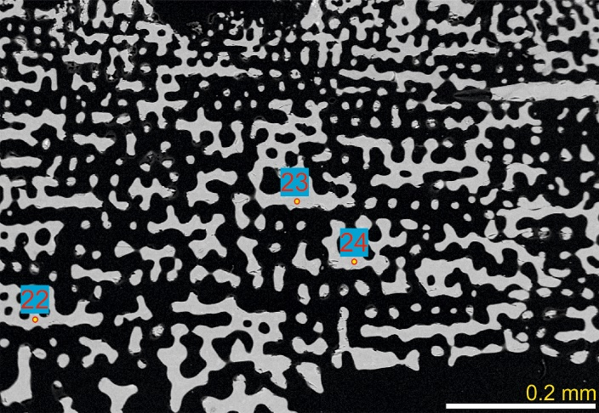
Encope michelini |  | fk-9.1
stereom type 1 (outer imperforate) | 19 | tubercle 1 | 0.184 | 4.5 | 87.34
stereom type 1 (outer imperforate) | 20 | tubercle 2 | 0.17 | 4.24 | 84.8
stereom type 1 (outer imperforate) | 21 | tubercle 3 | 0.191 | 4.77 | 88.12

stereom type 2 (inner thin galleried) | 22 | galleried 1 | 0.153 | 3.92 | 69.38
stereom type 2 (inner thin galleried) | 23 | galleried 2 | 0.158 | 3.87 | 68.39
stereom type 2 (inner thin galleried) | 24 | galleried 3 | 0.161 | 3.99 | 55.97

stereom type 3 (inner coarse labirynthic) | 25 | labirynthic 1 | 0.157 | 4.05 | 72.86
stereom type 3 (inner coarse labirynthic) | 26 | labirynthic 2 | 0.158 | 3.92 | 70.81
stereom type 3 (inner coarse labirynthic) | 27 | labirynthic 3 | 0.151 | 3.52 | 72.74

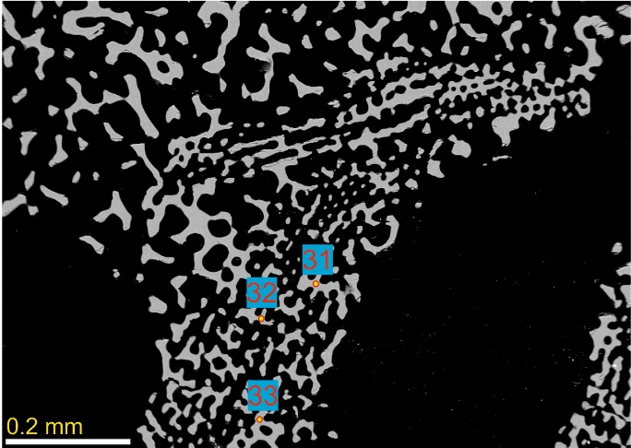
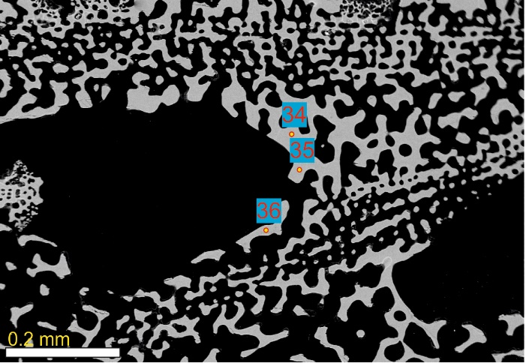
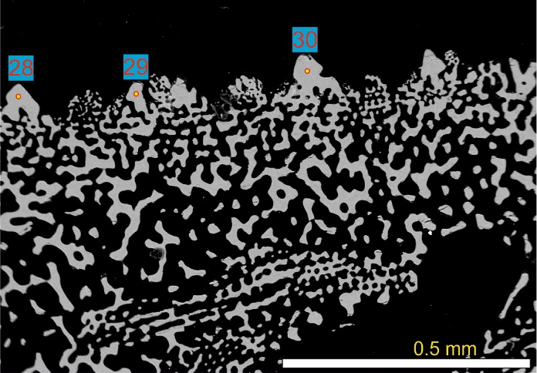
Encope michelini |  | ap-8.7
stereom type 1 (outer imperforate) | 28 | tubercle 1 | 0.195 | 4.81 | 81.27
stereom type 1 (outer imperforate) | 29 | tubercle 2 | 0.185 | 4.6 | 82.73
stereom type 1 (outer imperforate) | 30 | tubercle 3 | 0.17 | 4.55 | 84.88

stereom type 2 (inner thin galleried) | 31 | galleried 1 | 0.14 | 3.7 | 49.69
stereom type 2 (inner thin galleried) | 32 | galleried 2 | 0.144 | 4.01 | 65.5
stereom type 2 (inner thin galleried) | 33 | galleried 3 | 0.152 | 4.08 | 71.1

stereom type 3 (inner coarse labirynthic) | 34 | labirynthic 1 | 0.145 | 4.37 | 63.28
stereom type 3 (inner coarse labirynthic) | 35 | labirynthic 2 | 0.135 | 3.61 | 58.6
stereom type 3 (inner coarse labirynthic) | 36 | labirynthic 3 | 0.136 | 4 | 66.52

